Q's
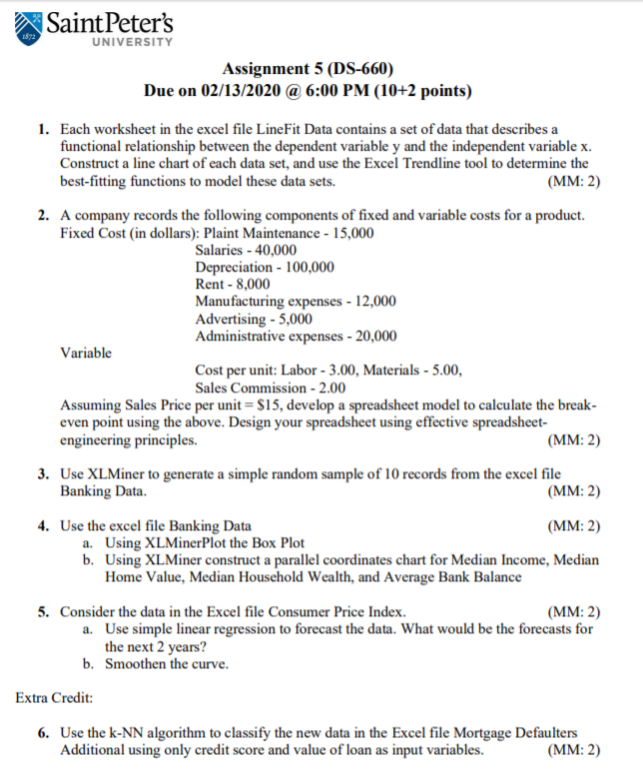

1. LineFit
Data Set 1
Data Set 1
x | y
1 | -102.8
1.5 | -36.4
2 | -4.7
2.5 | -17.0
3 | -5.3
3.5 | -4.2
4 | -1.5
4.5 | -0.2
5 | 0.0
5.5 | 0.1
6 | 0.8
6.5 | 3.4
7 | 9.1
7.5 | 9.5
8 | 22.5
8.5 | 54.9
9 | 103.8
9.5 | 142.0
10 | 25.2
10.5 | 193.2

Data Set 2
Data Set 2
x | y
10 | 16.04
10.5 | 13.46
11 | 13.46
11.5 | 11.70
12 | 13.36
12.5 | 11.74
13 | 10.63
13.5 | 11.05
14 | 11.35
14.5 | 10.04
15 | 11.14
15.5 | 11.04
16 | 11.31
16.5 | 10.56
17 | 10.89
17.5 | 9.00
18 | 8.18
18.5 | 8.71
19 | 7.41
19.5 | 7.62
20 | 5.13

Data Set 3
Data Set 3
x | y
1 | 3.45
2 | 4.39
3 | 6.22
4 | 7.58
5 | 9.62
6 | 8.25
7 | 6.96
8 | 11.20
9 | 12.74
10 | 16.26
11 | 15.12
12 | 29.33
13 | 35.78
14 | 44.23
15 | 34.53
16 | 62.13
17 | 54.54
18 | 62.02
19 | 110.62

4. Banking
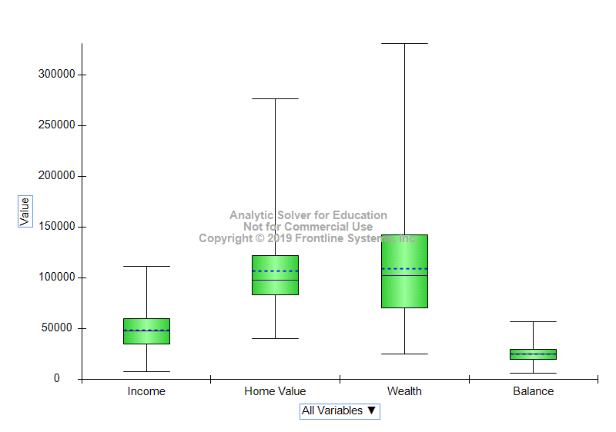
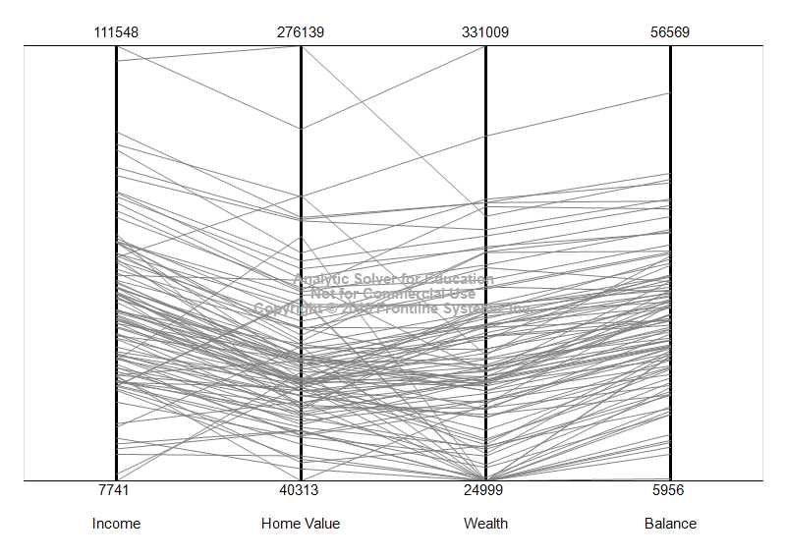
a) | b)

5. Consumer
a) | b) | Curve -> Format Data Series -> Series Option -> Smothed Line
 | Annual CPI
2003 | 184
2004 | 188.9
2005 | 195.3
2006 | 201.6
2007 | 207.342
2008 | 215.303
2009 | 214.537
2010 | 218.056
2011 | 224.939
2012 | 229.594

